Project4103
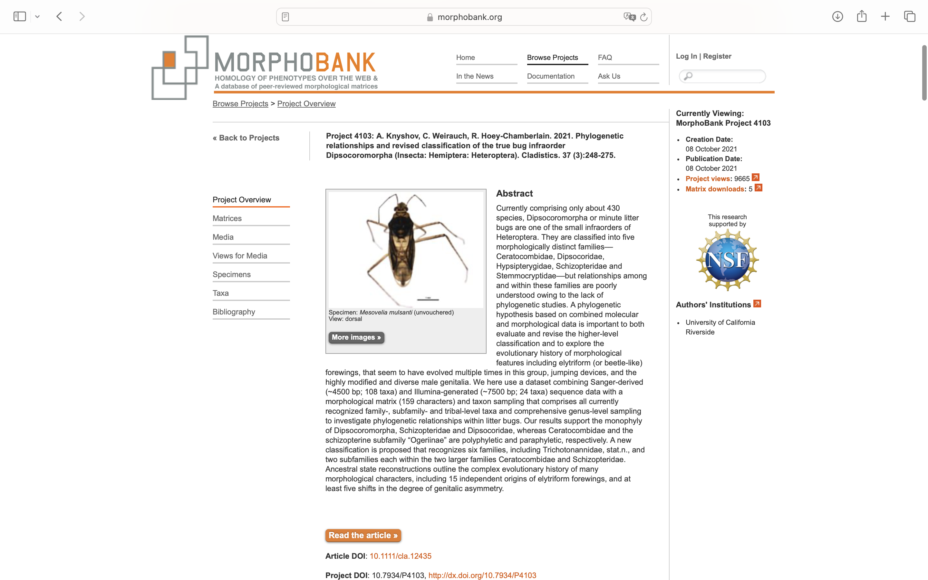
Charlabels | Character Pattern | Unseen States
[1] 'Overall body shape' | Transformational | YES
[2] 'Head, shape in frontal view' | Transformational | YES
[3] 'Head, vestiture' | Transformational | NO
[4] 'Male-specific organ on frons' | Neomorphic | NO
[5] 'Frons/vertex, muscle scars' | Neomorphic | NO
[6] 'Frons/vertex, pattern of muscle scars' | Transformational | YES
[7] 'Frons, pit-like structures ventrad of ocelli' | Neomorphic | NO
[8] 'Eyes in frontal view, size' | Transformational | YES
[9] 'Ocelli in male' | Neomorphic | NO
[10] 'Position of ocelli' | Transformational | YES
[11] 'Ocelli in female' | Neomorphic | NO
[12] 'Md plate' | Neomorphic | NO
[13] 'Md plate, size' | Transformational | YES
[14] 'Md plate vestiture' | Transformational | YES
[15] 'Mx plate, size' | Transformational | YES
[16] 'Mx plate, stout ventrolateral seta' | Neomorphic | NO
[17] 'Buccula, shape (lateral view)' | Transformational | YES
[18] 'Clypeus, shape' | Transformational | NO
[19] 'Clypeus, macrosetae (male)' | NT?;0=0-;1=11;2=12
[20] 'Labrum, shape' | Transformational | YES
[21] 'Labium segmentation' | Transformational | YES
[22] 'Labium, shape' | Transformational | YES
[23] 'Labium, relative length' | Transformational | YES
[24] 'Labium, width (segment 3 or3/4)' | Transformational | YES
[25] 'Labium, length of segment 2' | Transformational | YES
[26] 'Labium, length of segment 3' | Transformational | YES
[27] 'Labium, length of segment 4' | Transformational | YES
[28] 'Labial segment 3/4' | Transformational | YES
[29] 'Labium, segment 1' | Transformational | NO
[30] 'Labium, shape of tip' | Transformational | YES
[31] 'Antenna, relative length of segments' | Transformational | YES
[32] 'Antenna, relative length of scape and pedicel' | Transformational | YES
[33] 'Antenna, relative thickness of segments' | Transformational | NO
[34] 'Male-specific organ as pit dorsally on head' | Neomorphic | NO
[35] 'Male-specific organ between posterior margin of head and anterior margin of pronotum' | Neomorphic | NO
[36] 'Pronotum, shape' | Transformational | YES
[37] 'Anterior and posterior pronotal lobes' | Neomorphic | NO
[38] 'Lateral margin of pronotum' | Transformational | YES
[39] 'Pronotal collar' | Neomorphic | NO
[40] 'Pronotal collar, separation from remainder of pronotum' | Transformational | YES
[41] 'Male-specific organ consisting of complex gland and opening on anterior margin of anterior pronotal lobe' | Neomorphic | NO
[42] 'Pronotal male specific organ' | Neomorphic | NO
[43] 'Scutellum, shape' | Transformational | YES
[44] 'Scutellum, size' | Transformational | YES
[45] 'Pronotum and proepimeron suture or fold' | Neomorphic | NO
[46] 'Blunt tooth on propleuron' | Neomorphic | NO
[47] 'Proepisternum' | Transformational | NO
[48] 'Proepimeron' | Transformational | NO
[49] 'Mesepisternal and mesepimeral lobes covering base of coxa' | Neomorphic | NO
[50] 'Posterolateral spine on metepisternum' | Neomorphic | NO
[51] 'Metepimeron' | Neomorphic | NO
[52] 'Metathoracic gland, evaporatory structure' | NT?;0=0-;1=11;2=12;3=13;4=14
[53] 'Metepisternal groove area' | Transformational | YES
[54] 'Mesosternum, lateral protuberances' | Neomorphic | NO
[55] 'Median mesosternal spine' | Neomorphic | NO
[56] 'Median metasternal spine' | Neomorphic | NO
[57] 'Metasternal spine, shape' | Transformational | YES
[58] 'Metendosternite' | Neomorphic | NO
[59] 'Metendosternite, shape' | Transformational | YES
[60] 'Wing-to-thorax coupling, druckknopf' | NT?;0=0-;1=11;2=12
[61] 'Forewing type (male)' | Transformational | YES
[62] 'Forewing type (female)' | NT?;0=11;1=12;2=13;3=0-
[63] 'Forewing elytriform (in at least one sex)' | Neomorphic | NO
[64] 'Elytriform forewing' | Transformational | NO
[65] 'Elytriform forewing (pits)' | Transformational | YES
[66] 'Forewing, distinct costal fracture' | Neomorphic | NO
[67] 'Costal fracture, length' | Transformational | YES
[68] 'scc more heavily sclerotized than remaining cells' | Neomorphic | NO
[69] 'R distally with' | Transformational | YES
[70] 'R1' | Transformational | YES
[71] 'R2' | Transformational | YES
[72] 'rc' | Neomorphic | NO
[73] 'rc (split)' | Neomorphic | NO
[74] 'bc' | Neomorphic | NO
[75] 'bc, shape' | Transformational | NO
[76] 'dc' | Neomorphic | NO
[77] 'dc, dimension' | Transformational | NO
[78] 'dc, shape' | Transformational | YES
[79] 'M and Cu proximal to dc1' | Transformational | YES
[80] 'dc1' | Neomorphic | NO
[81] 'M and trapezoidal cell' | Transformational | YES
[82] 'tc' | Transformational | NO
[83] 'tc, shape' | Transformational | YES
[84] 'Distal part of Cu' | Transformational | NO
[85] 'Wing organ formed by M, with row of processes' | Neomorphic | NO
[86] 'Wing organ consisting of sclerotized area between wing margin and dc, with cavity and trichomes' | Neomorphic | NO
[87] 'cub' | Transformational | NO
[88] 'cub, closed' | Transformational | YES
[89] 'Veins, sculpture' | Transformational | NO
[90] 'Forecoxa, shape and size' | Transformational | YES
[91] 'Metacoxa, adhesive pads' | Neomorphic | NO
[92] 'Metacoxa, adhesive pads extension' | Transformational | YES
[93] 'Trochanter, subdivision' | Neomorphic | NO
[94] 'Protibia, distal expansion' | NT?;0=0-;1=11;2=12
[95] 'Mesotibial comb' | Neomorphic | NO
[96] 'Metatibial comb' | Neomorphic | NO
[97] 'Hind tibia, longitudinal comb' | NT?;0=0-;1=11;2=12
[98] 'Hind tibia, row of slender setae' | NT?;0=0-;1=11;2=12
[99] 'Protarsus, segmentation in male' | Transformational | YES
[100] 'Mesotarsus, segmentation in male' | Transformational | YES
[101] 'Metatarsus, segmentation in male' | Transformational | YES
[102] 'Protarsus, segmentation in female' | Transformational | YES
[103] 'Mesotarsus, segmentation in female' | Transformational | YES
[104] 'Metatarsus, segmentation in female' | Transformational | YES
[105] 'Protarsus much stouter than metatarsus in male' | Neomorphic | NO
[106] 'Mesotarsus much stouter than metatarsus in male' | Neomorphic | NO
[107] 'Claws, sculpture' | Transformational | YES
[108] 'Claws, symmetry' | Transformational | NO
[109] 'Bladder-like arolia on fore- and midlegs in males' | Neomorphic | NO
[110] 'Bladder-like arolia' | Transformational | YES
[111] 'Bladder-like arolia structure' | Transformational | YES
[112] 'Parempodia' | Transformational | YES
[113] 'Abdominal tergites, texture' | Transformational | YES
[114] 'S1+2 spiracles' | Neomorphic | NO
[115] 'S3 spiracles' | Neomorphic | NO
[116] 'S4 spiracles' | Neomorphic | NO
[117] 'S5 spiracles' | Neomorphic | NO
[118] 'S6 spiracles' | Neomorphic | NO
[119] 'S7 spiracles' | Neomorphic | NO
[120] 'S8 spiracles' | Neomorphic | NO
[121] 'DAG scars 4' | Neomorphic | NO
[122] 'DAG scars 5' | Neomorphic | NO
[123] 'DAG scars 6' | Neomorphic | NO
[124] 'DAG scars 7' | Neomorphic | NO
[125] 'Asymmetry of the pregenital abdomen' | NT2;0=0-;1=11;2=12
[126] 'Male pregenital laterotergites' | Neomorphic | NO
[127] 'Male, ventrally located spinous laterotergite 4' | Neomorphic | NO
[128] 'Male, process on right side of sternite 5' | Neomorphic | NO
[129] 'Male sternum 7' | Transformational | NO
[130] 'Processes of male sternum 7' | Neomorphic | NO
[131] 'Pronounced genitalic directionality' | NT2;0=0-;1=11;2=12
[132] 'Male sternum 8' | Neomorphic | NO
[133] 'Male, cavity in segment 8' | Neomorphic | NO
[134] 'Left male laterotergite 8' | Transformational | NO
[135] 'Right male laterotergite 8' | Transformational | NO
[136] 'Pygophore, dorsal wall' | Neomorphic | NO
[137] 'Pygophore, tilt in respect to pregenital abdomen' | Neomorphic | NO
[138] 'Left male laterotergite 9' | Neomorphic | NO
[139] 'Right male laterotergite 9' | Neomorphic | NO
[140] 'Left paramere' | Transformational | YES
[141] 'Right paramere' | Transformational | YES
[142] 'Parameres, symmetry' | Transformational | NO
[143] 'Plane of parameres in respect to longitudinal body axis' | Transformational | YES
[144] 'Male genitalia, support system around anophore = proctiger' | Neomorphic | NO
[145] 'Middle portion of aedeagus = Phallosoma' | Neomorphic | NO
[146] 'Conjunctival appendages' | Neomorphic | NO
[147] 'Vesica, length' | Transformational | YES
[148] 'Vesica, shape' | Transformational | NO
[149] 'Vesical processes' | Neomorphic | NO
[150] 'Anophore' | Neomorphic | NO
[151] 'Anterior anophoric process' | Neomorphic | NO
[152] 'Posterior anophoric process' | Neomorphic | NO
[153] 'Ovipositor' | Transformational | YES
[154] 'Gonapophyses, length' | Transformational | YES
[155] 'Gonapophyses, armature' | NT?;0=0-;1=11;2=12;3=13;4=14
[156] 'Spermatheca, sclerotization' | Neomorphic | NO
[157] 'Spermatheca, structure' | Transformational | YES
[158] 'Spermatheca, reservoir, shape' | Transformational | YES
[159] 'Spermatheca, reservoir, diameter of distal and proximal parts' | Transformational | NO

